Sheet1
 |  |  |  | TestCases for HomePage
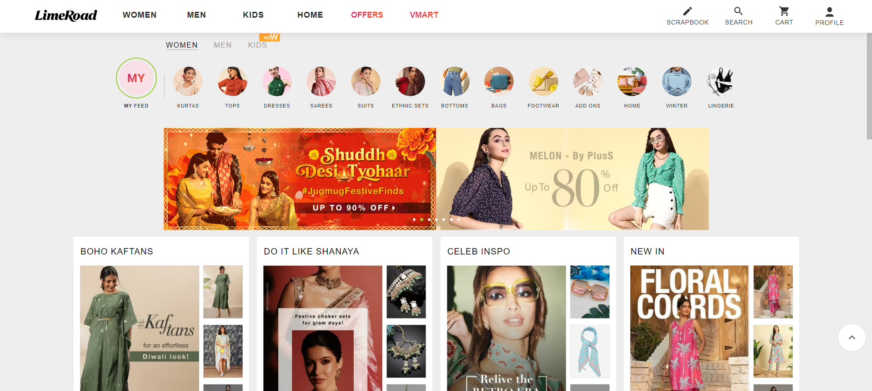

Project Name |  | LimeRoad
Client |  | Lime Road
Reference Doucement |  | FRS(Functional Requriment System)
Created By |  | Vignesh
Approved Date
TestCase for |  | HomePage

 | Steps | Description | Inputs | Expected Result | Actual Result | status | Comments
 | T_005 | 1. Complete login via OTP verification. 2. Observe the homepage layout and elements. | Click On Enter | Homepage LayOut will be appear | Homepage LayOut will be appear | pass | Both ER and Ar matched sucessfully
 | T_ 006 | Verify that the search bar on the homepage functions correctly | Click on Search Bar | Search bar Must be activated | Search bar Must be activated | pass | Both ER and Ar matched sucessfully
 |  | 6.1 Type Product name | click on enter | Particular products must be displayed | Search bar must be working | pass | Both ER and Ar matched sucessfully
 |  | 6.2 Click empty search bar i.e(N/A) | Click on enter | No other Products shouldn't be displayed | No other Products shouldn't be displayed | pass | Both ER and Ar matched sucessfully
 |  | 6.3 Click on Mens(or)Womens Catagerory on homepage | Click On enter | Revalent Mens(or) womens related products should be appear | Revalent Mens()r) womes related products should be appear | pass | Both ER and Ar matched sucessfully
 | T_007 | Click on Cart icon which present at home page | Click on wishlist | The user should be redirected to their wishlist page with saved items. | The user should be redirected to their wishlist page with saved items. | pass | Both ER and Ar matched sucessfully
 | T_008 | Verify that the user can access their cart from the homepage | Click on Cart | The selected items as cart should be display at the cart | The selected items as cart should be display at the cart | pass | Both ER and Ar matched sucessfully
 | T_009 | Verify that clicking on promotional banners to re-direct to the particular related page | Click On banner on home page | User should be redirected to the relevant promotion or product page | User should be redirected to the relevant promotion or product page | pass | Both ER and Ar matched sucessfully

